Sheet1
Lattice Innovations
 |  |  | Date: | 08 Feb 2018
CPAP Phase 2

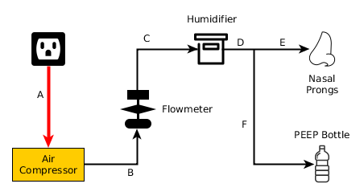
System Outline, Test Params & approach

The system can be divided into 6 major components

1. Air compressor
2. Flow Meter
3. Humidifier
4. Nasal Prong
5. PEEP bottle
6. Tubing

 |  | System Configuration

Air compressor | Nasal Prong
Electrical specs validation Voltage, Current, Power | Detection of droplets
Heat dissipation & insulation | How to avoid the risk of aspiration
Oil contamination detection & prevention | Prong type: fully covered or open end type
Mechanical effects on the assembly due to vibration of the pump
Air quality & pressure
Inlet filter | PEEP Bottle
 | Water level & pressure validation (Hygrometer)

Flow-meter
Accuracy & reputability of the meter | Tubing
Availability & alternatives | Effects of kinking of tubes
 | Bending radius of the tubes
 | Sterilization & re-usability
Humidifier
Humidity measurement
Temperature of water/ air inside
Detection & elimination of droplets at the outlet nozzle
Vacuum check

Vital Parameters of testing
Input & output pressure difference check, identification & solution
Prevention droplets transmission through nasal prong
Air compressor alternatives to avoid oil contamination
Frequency of changing water & cycle time

Air compressor alternatives

